1 Raw water characteristics
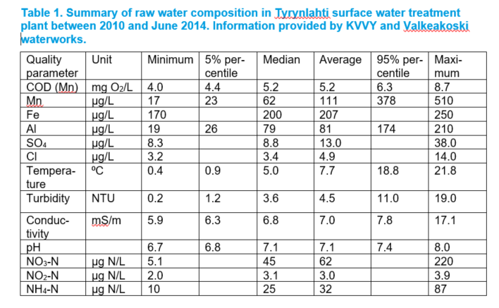

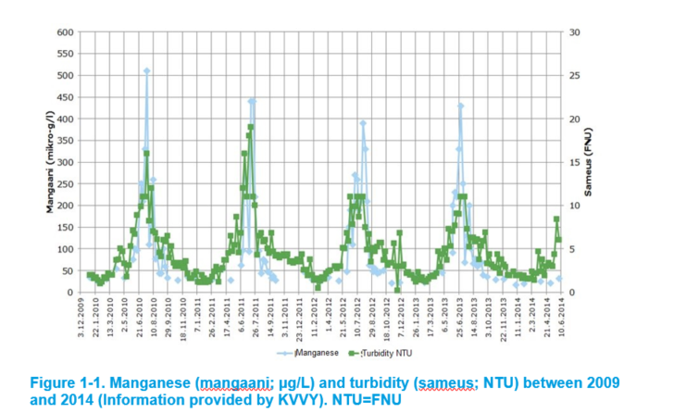

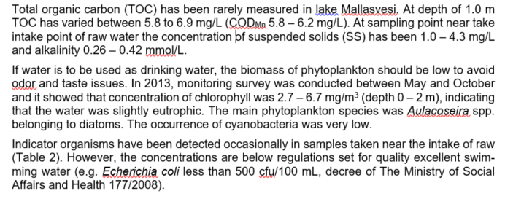

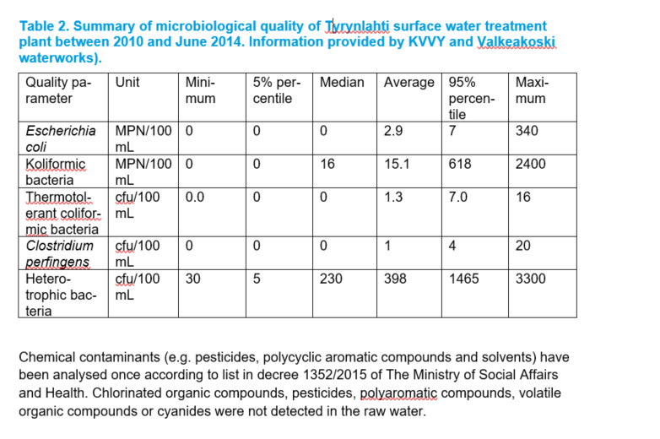

2.2 Product water requirements
Table 4. Raw water characteristics that should be altered and target values for the chosen parameters
Characteristic(s) to be altered or removed | Target value/range | Justification and reference
COD(Mn) (5.6-6.2 mg/L) | < 2.0 mgO2/L | To minimize production of unwanted disinfection by-products (Additional requirements from Project work instrucstion)
TOC (5.8-6.9 mg/L) | < 2.0 mg/L | To minimize production of unwanted disinfection by-products (Additional requirements from Project work instrucstion)
Al (max = 210 μg/L) | < 200 μg/L | Decree 1352/2015 of the Ministry of Social Affairs and Health, table 4, quality recommendation
Fe (max = 250 μg/L) | < 200 μg/L | Decree 1352/2015 of the Ministry of Social Affairs and Health, table 4, quality recommendation
Mn (510 μg/L) | < 50 μg/L | Decree 1352/2015 of the Ministry of Social Affairs and Health, table 4, quality recommendation
Turbidity (max = 19) | < 1 NTU | Decree 1352/2015 of the Ministry of Social Affairs and Health, table 4, quality recommendation
Escherichia coli (Average = 2.9 mpn/100ml) | 0 pmy/100 ml | Decree 1352/2015 of the Ministry of Social Affairs and Health, table 1, microbiogical quality recommendation
Coliform bacteria (Average = 15.1 mpn/100ml) | 0 pmy/100 ml | Decree 1352/2015 of the Ministry of Social Affairs and Health, table 4, quality recommendation
Product water should not contain algae or have detectable odour or taste (Additional requirements from Project work instrucstion)

Other technical quality objectives should be set e.g. to eliminate corrosion of distribution network? List technical quality requirements and quality objectives for these parameters. Justify your choices.
Characteristic(s) | Maximum/unit | Justification and reference
Chloride | 25 mg/l | The water must not be corrosive and to prevent corrosibing of water supply materials (decree 1352/2015 of the Ministry of Social Affairs and Health, table 4, quality recommendation)
Sulphate | 150 mg/l | The water must not be corrosive and to prevent corrosibing of water supply materials (decree 1352/2015 of the Ministry of Social Affairs and Health, table 4, quality recommendation)
Electrical conductivity | 2500 μS/cm | The water must not be corrosive (decree 1352/2015 of the Ministry of Social Affairs and Health, table 4, quality recommendation)
pH | 6.5-9.5 | The water must not be corrosive (decree 1352/2015 of the Ministry of Social Affairs and Health, table 4, quality recommendation)
Hardness | 150 - 200 mg/l CaCO3 | Mechenich, C & Andrews, E. Interpreting Drinking Water Test Results. Home water safety.
Alkalinity | > 0.6 mmol/l | Talousvesiasetuksen soveltamisohje, Osa III Enimmäisarvojen perusteet. 2020. Valvira.
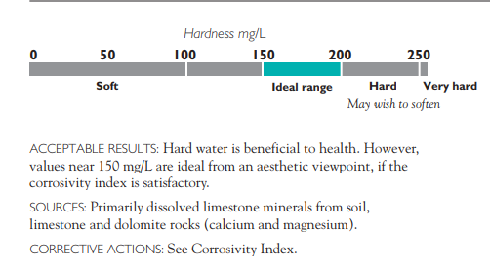
 |  | High hardness can cause lime buildup (scaling) in pipes and water heaters. On the other hand, water that is naturally too soft may be corrosive.

3.2 Chemical coagulation
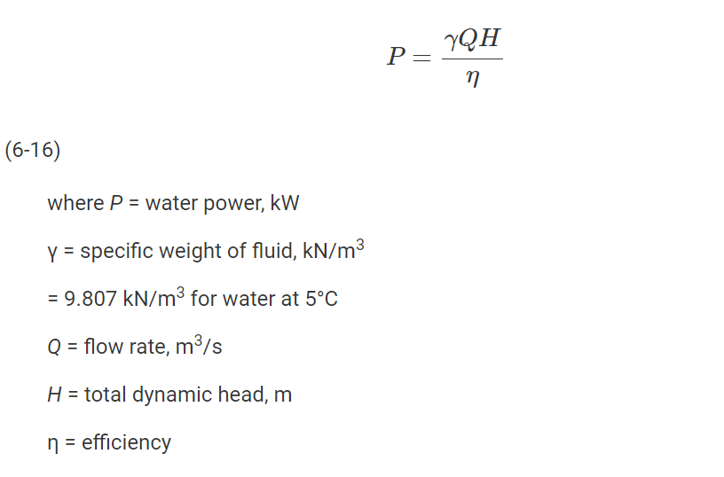
Table 5. Chemicals and their dosage in chemical coagulation.
Chemical | Dosage | Chemical consumption
 |  | in hour | per day
PIX-322 | 63 g/m3 | 24.26 kg/h | 485.1 kg/d
PIX-solution (density 1560 kg/m3) | 40.38 ml/m3 | 15.55 l/h | 310.96 l/d
Calcium hydroxide (Ca(OH)2) | 15.76 g/m3 | 6.07 kg/h | 121.35 kg/d
Lime water (Ca(OH)2, 1.1 kg/m3) | 14.33 l/m3 | 5.52 m3/h | 110.32 m3/d

Flowrate (1 line) | 385 | m3/h
COD_Mn (95%) | 6.30 | mgO2/L
Concentration of PIX | 63 | mg/L | (As in the instruction, the usual dose is calculated by 8-12*COD_Mn)
Concentration of PIX | 63 | g/m3
Dose of PIX-322 | 24255 | g/h
PIX consumption in hour | 24.26 | kg/h
PIX consumption per day | 485.10 | kg/d
PIX solution | 40.38 | ml/m3 | (The value was obtained by dividing concentration of PIX to the density of PIX solution. Then it was converted to the desireable unit)
PIX solution consumption in hour | 15.55 | l/h
PIX solution consumption per day | 310.96 | l/d

${Fe}_{2}{(SO4)}_{3} + 3 Ca\left(OH\right)2 ↔ 2 Fe{(OH)}_{3} + 3 {CaSO}_{4} (1)$
Concentration of Ferric Sulphate | 28.35 | g/m3 | (Since ferric sulphate is 42.5%-wt of PIX 322)
Molecular weight (g/mol)
Fe2(SO4)3 | 399.88
Ca(OH)2 | 74.096
Fe(OH)3 | 106.874
CaSO4 | 136.14

The mole of
Fe2(SO4)3 | 0.071 | mol/m3
Ca(OH)2 | 0.21 | mol/m3 | (According to equation (1))

Ca(OH)2_concentration | 15.76 | g/m3
Ca(OH)2_consumption in hour | 6.07 | kg/h
Ca(OH)2_consumption per day | 121.35 | kg/d

Lime_water_concentration | 14.33 | l/m3 | (The result was obtained by dividing Ca(OH)2 concentration to lime water density)
Lime_consumption in hour | 5.52 | m3/h
Lime_consuption per day | 110.32 | m3/d

* 2-fold dosage scenario
Ferrice_sulphate_conc | 53.55 | g/m3
Ca(OH)2_conc | 29.77 | g/m3
Lime_water_conc | 27.06 | l/m3
lime_consumption | 10.42 | m3/h

* Design of in line static mixer
T | 4 | oC
L/D | 1.5
COV | 1 | %
min_velocity | 1.7 | m/s
max_velocity | 2 | m/s
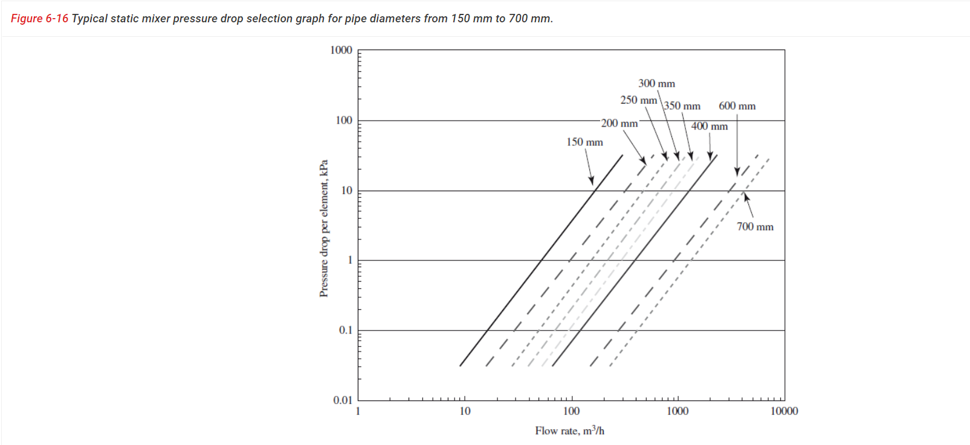
Case 1: with min velocity |  |  |  | Case 2: with max velocity
A_mixer | 0.063 | m2 |  | A_mixer | 0.053 | m2
Diamter | 0.28 | m |  | Diameter | 0.26 | m
 | 283 | mm |  |  | 261 | mm
Assumed diamter | 300 | mm |  | Assumed diamter | 250 | mm
Number of elements | 6 |  |  | Number of elements | 6 |  | (Davies 2010)
Headloss per element | 2.9 | kPa/element |  | Headloss per element | 6 | kPa/element
Total headloss | 17.4 | kPa |  | Total headloss | 36 | kPa
Length | 2.7 | m |  | Length | 2.25 | m
V_mixer | 0.19 | m3 |  | V_mixer | 0.11 | m3
Detention time | 0.00050 | h |  | Detention time | 0.00029 | h
 | 1.78 | s |  |  | 1.03 | s
Specific weight of fluid (γ) | 9.807 | kN/m3 |  | Specific weight of fluid (γ) | 9.807 | kN/m3 | (Appendix A, table A-1, Davies 2010)
Dynamic viscosity (μ) | 0.001567 | Pa.s |  | Dynamic viscosity (μ) | 0.001567 | Pa.s | (Appendix A, table A-1, Davies 2010)
Water power | 1.86 | kW |  | Water power | 3.85 | kW | (0.102 is conversion factor, Davies 2010)
 |  |  |  |  |  |  | (P is calculated based on equation 6-16)
Velocity gradient | 2494.82 | s-1 |  | Velocity gradient | 4717.24 | s-1 | (Equation 6-12 in Davies 2010)
Gt | 4452.23 |  |  | Gt | 4871.72

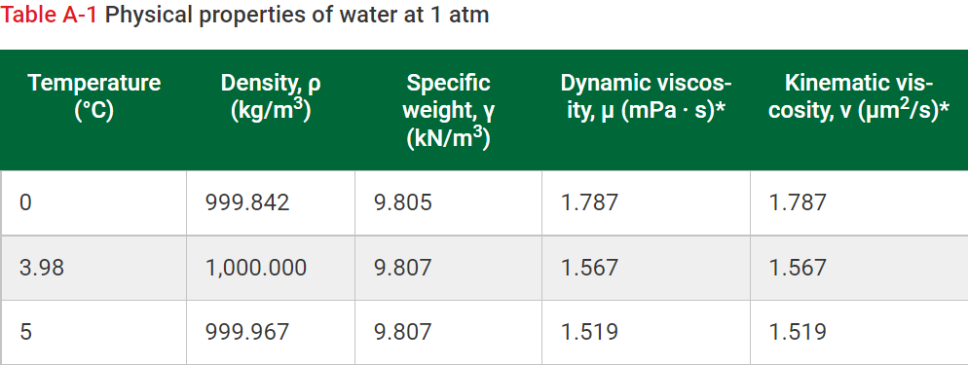
From the 2 cases with max and min velocity, we can see that the diameter of 250mm fulfill the requirement for velocity gradient, which is between 3000 and 5000 1/s.
The detention time of both case does not qualify the requirement as given in the instruction. However, in the case of 250mm diameter, the retention time almost equal to 1s,
hence, I think this is a suitable choice for the design as it nearly meet the requirement.

3.3 Flocculation
Table 6. Design of flocculation at the treatment plant.
 | Whole plant | Per line
Flow rate in design situation (m3/h) | 770 | 385
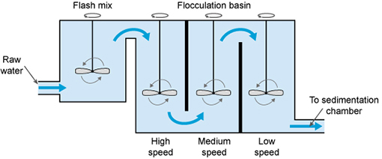
Detention time (min) | 35 | 35
Total volume (m3) | 449.16 | 224.58
Number of basins | 2 | 1
Volume of water per basin (m3) | 449.16 | 224.58
Dimensions of one basin, width x length x depth (m) | 4.33 x 4.33 x 4.6 | 4.33 x 4.33 x 4.6 |  | (Additional 0.6m was added to the depth as free board)
Velocity gradient, G (1/s), basin 1/2/3 | 70/45/20 | 70/45/20
Tip speed (m/s), basin 1/2/3 | 3.08 /2.3 /1.34 | 3.08 /2.3 / 1.34
Input power (W), basin 1/2/3 | 575 / 238 / 47 | 575 / 238 / 47

Flow rate of raw water (Q) | 770 | m3/h |  | (whole plant)
 | 385 | m3/h |  | (1 line)
Detention time | 35 | min
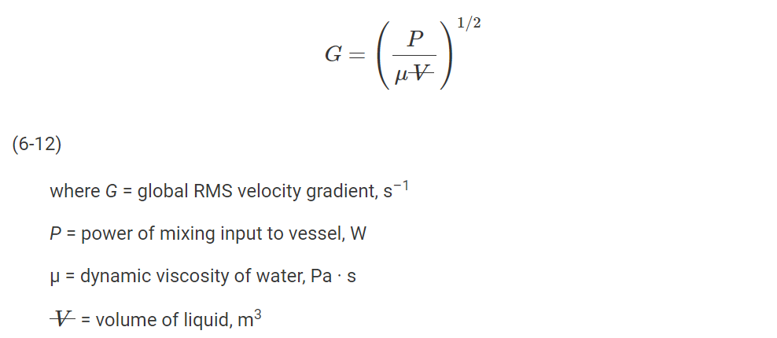
 | 0.58 | h
Since there is one flocculation basin in each line, the maximum day flow through each will be equal to the flow rate of 1 line.
Q | 385 | m3/h
V_flocculation basin | 224.58 | m3 |  | (Equation 6-13 in Davies 2010)
Each basin is divided into three compartments
V_compartment | 74.86 | m3
The recommended depth range is 3 - 4.5 m (Davies 2010). Assuming that the water depth is 4 m
Depth | 4 | m
Surface area (A_surface) | 18.72 | m2
Since the plan is rectangular, the length equal the width.
Length | 4.33 | m
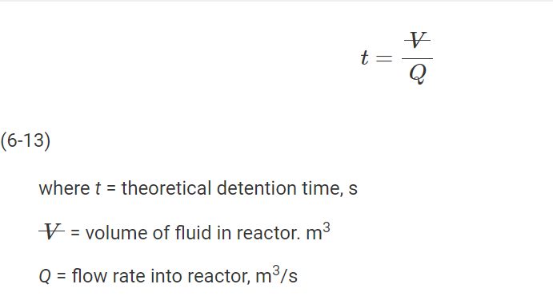
Width

* Calculating the required input power
Dynamic viscosity (at 4oC) | 0.0016 | Pa.s |  | (Table A-1 in Appendix A in Davies 2010)
Power (P1) | 574.81 | W |  | (Equation 6-12 in Davies 2010)
Power (P2) | 237.55 | W
Power (P3) | 46.92 | W

* Calculating the diameter of the impeller
According to Davies 2010, the impeller is placed at one-third the water depth
Location of impeller | 1.33 | m
Equivalent diameter | 4.88 | m
Using table 6-5 to evaluate the diameter of the impeller

Table 6-5 (Davies 2010)
Geometric ratio | Allowable range | Axial impeller diameter
 |  | 0.8 m | 1.4 m | 2 m
D/T | 0.17 - 0.4 | 0.16 | 0.29 | 0.41
H/D | 2.0 - 4.0 | 5 | 2.9 | 2
H/T | 0.34 - 1.6 | 0.82 | 0.82 | 0.82
B/D | 0.7 - 1.6 | 1.67 | 0.95 | 0.667
 |  |  | OK
where | From the table 6-5, the diameter of 1.4 m meets all the allowable range, hence, it is suitable for the design criteria.
D = Axial diameter
T = Equivalent diameter
H = Water depth
B = Location of impeller

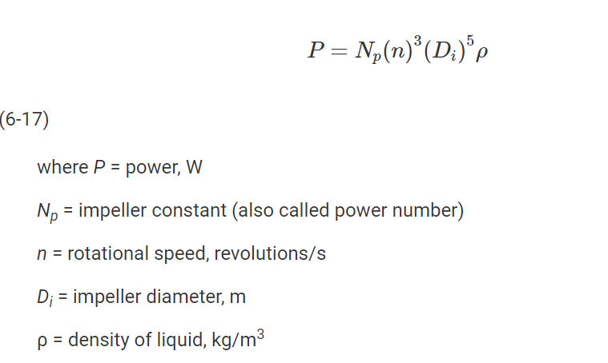
* Calculating the tip speed
Impeller constant (N_P) | 0.31 |  |  | (From the table provided by the manufacturer)
D | 1.4 | m
Water density (rho) | 1000 | kg/m3
Rotational speed of basin 1 (n1) | 0.70 | rps |  | (Formular derived from equation 6-17 in Davies 2010)
Rotational speed of basin 2 (n2) | 0.52 | rps
Rotational speed of basin 3 (n3) | 0.30 | rps
The tip speed of
Basin 1 | 3.08 | m/s
Basin 2 | 2.30 | m/s
Basin 3 | 1.34 | m/s
The tip speed is more than the maximum tip speed 2.7 m/s. In order to reduce the tip speed, the detention time can be reduced to reduce the volume of the basin.
When the volume of the basin is decreased, the water input power can be reduced, hence, the tip speed can be reduced to the desirable tip speed of 2.7 m/s.

3.4 Flotation
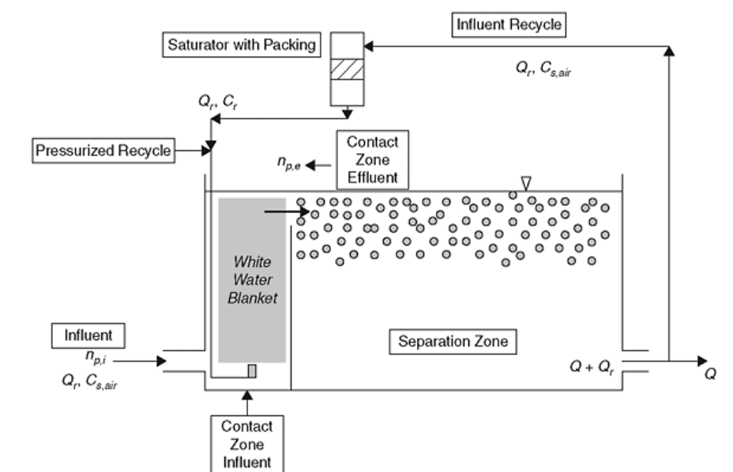
Table 7. Design of flotation of surface water treatment plant.
 | Whole plant | Per line
Flow rate (m3/h) | 770 | 385
Hydraulic loading (m/h) |  | 15
Hydraulic retention time (min) |  | 15 | (Select based on Table 9-5)
Surface area (m2), total |  | 25.67
Volume (m3), total |  | 77
Number of basins | 2 | 1
Volume per basin (m3) |  | 77
Dimensions of one basin, width x length x depth (m) |  | 3.58 x 7.16 x 3
Flow rate of dispersion water (m3/h) | 77 | 38.5
Gauge pressure of dispersion water (kPa) | 400 | 400
Feed of dispersion air (g/water-m3) | 22 | 11
Production of dispersion air (Nm3/h) | 7.14 | 3.57

Table 8. Estimation of flotation sludge generation at surface water treatment plant.
Estimates |  | Whole plant
Solids removed from water (kg TS/water-m3) |  | 0.02
Mass of solids to be removed (kg TS/h) |  | 9.89
Suspended solids in flotation sludge (% ww) |  | 2
Production of flotation sludge (m3/h) |  | 0.99

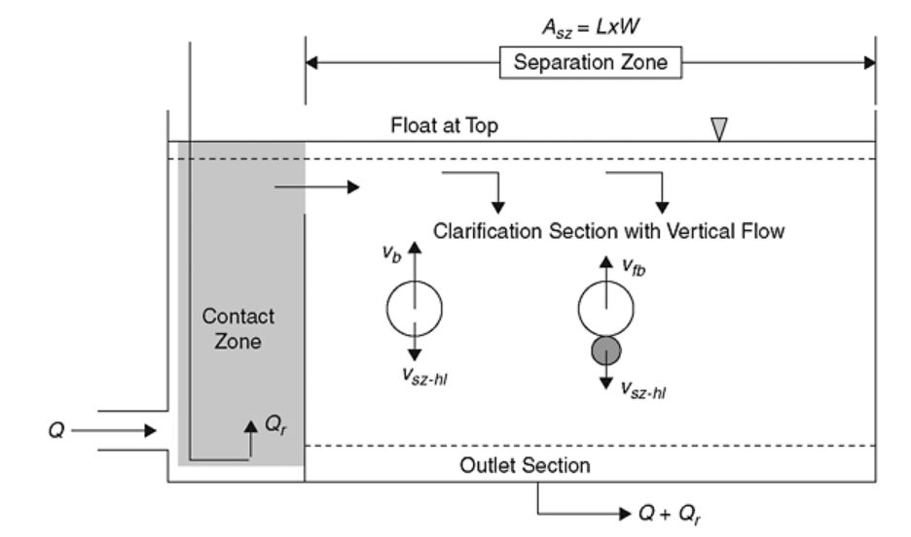
* Defining the size of the flotation basin
Recycling rate (R) | 10 | % | (According to Edzwald 2012, 10% is a typical rate for design value)
Q | 385 | m3/h
Q_return (Qr) | 38.5 | m3/h | (Equation 9-52 in Edzwald 2012)
Nominal hydraulic loading | 15 | m/h
Based on equation 9-67 in Edzwald 2012, the hydraulic loading for each zone can be calculated.
For separation zone, the flow rate is (Q+Qr), hence, the new flow rate will be 110% Q. The area of separation zone is 90% of gross area.
For contact zone, the flow rate is (Q+Qr), hence, the new flowrate will be 110% Q. The area of contact zone is 10% of gross area.
Separation zone hydraulic loading | 18.33 | m/h | (Equation 9-67 in Edzwald 2012)
Contact zone hydraulic loading | 165 | m/h | (Equation 9-67 in Edzwald 2012)

Surface area of separation zone | 23.1 | m2
Surface area of contact zone | 2.57 | m2
Total area | 25.67 | m2
Since the ratio of L:W is 2:1
Length | 7.16 | m
Width | 3.58 | m
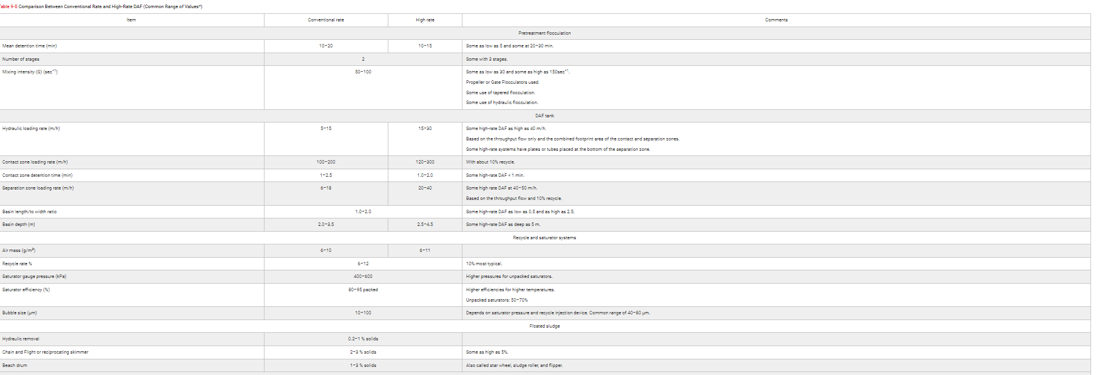
Depth | 3 | m | (Choosing from table 9-5 in Edzwald 2012)

Gauge pressure | 400 | kPa
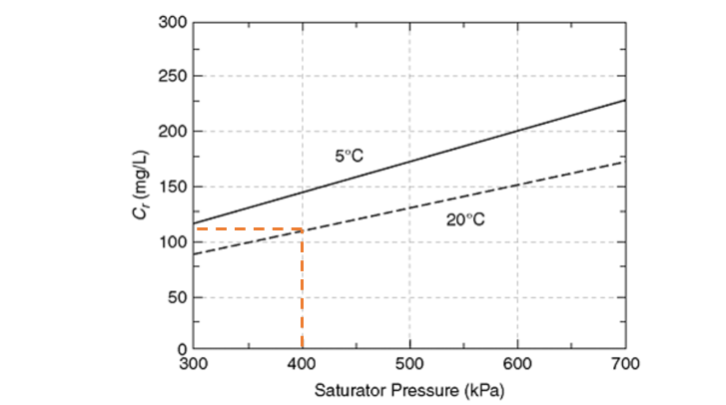

Mass air concentration from recycled water | 110 | mg/L
M_air | 28.9 | g/mol
R | 0.0831451 | bar.dm3/mol.K
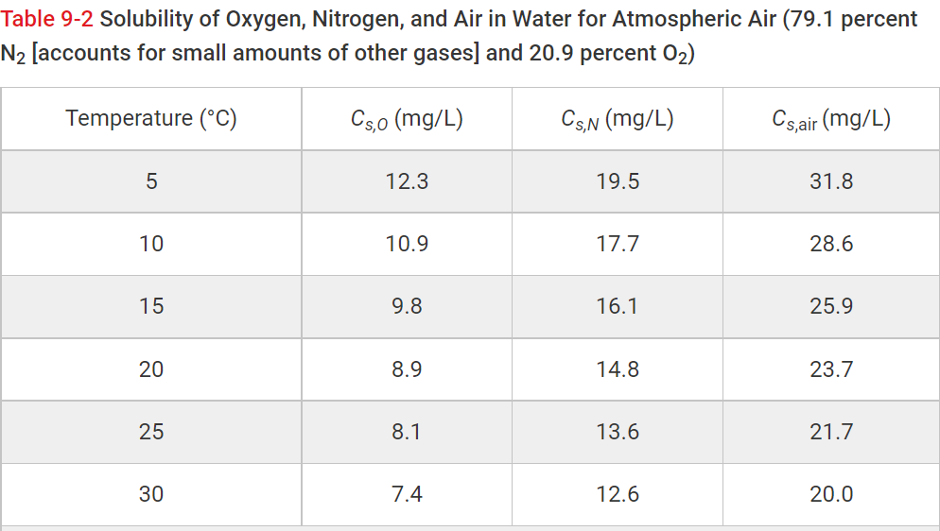
T | 20 | oC
 | 293 | K
Atmospheric pressure | 1 | bar
Amount of vaporized air | 3.81 | mol/m3
$$PV=nRT (1)$$
V_dissolved air in water | 0.09 | m3/m3-treated water | (Based on ideal gas law; formula (1))
Required volume of air | 3.57 | m3/h

* Calculation for flotation sludge removal
Suspended solid concentration | 2.7 | mg/L | (Select from section 1 between 1 - 4.3 mg/L)
TOC | 6.3 | mg/L | (Select from section 1 between 5.8 - 6.9)
Concentration of organic matter | 12.6 | mg/L | (TOC = 40-60% * organic matter concentration)
Fe(OH)3 precipitation | 15.15 | mg/L

SS removed | 2.16 | mg/L
Organic matter removed | 7.56 | mg/L
Fe(OH)3 removed | 13.64 | mg/L
Total solid removed | 23.36 | mg/L
 | 0.023 | kgTS/m3-water
Mass of removed solid | 9.89 | kgTS/h

*Calculation of flotation sludge
Suspended solids in flotation sludge | 2 | %
Amount of flotation sludge (wet) | 1167.93 | mgTS/L-water
Amount of sludge production (dry) | 0.00117 | m3-sludge/m3-water
Amount of flotation sludge | 0.99 | m3/h

Flowrate after flotation | 422.5 | m3/h

3.6 Sand filtration
Table 12. Design of sand filters.
 | Whole plant | Per filter (except number of filters which is per line)
Number of filters | 4 | 2 per line
Flow rate (m3/h) | 845 | 422.5
Filtration rate (m/h) | 7.5 | 7.5
EBCT (min) | 9.6 | 9.6
Depth of filter bed (m) | 1.2 | 1.2
Area (m2) | 112.67 | 28.17
Volume of filter bed (m3) | 135.12 | 33.78
Necessary height of the basin (m) | 4 | 4
Volume per basin (m3) |  | 112.6
Dimensions of one basin, width, length, depth (m) |  | 5 x 5.63 x 4
Volume of backwashing water per filter (m3) | -- | 205.24
Backwash flow rate (m/h) in water air backwashing | -- | 7
Backwash flow rate in water backwashing (m/h) | -- | 36
Total duration of backwashing (min) | -- | 20
Backwashing air used per filter (Nm3/min*m2) | -- | 1.00
Production of backwashing air (Nm3/h) | -- | 1690.00
Volume of backwashing water basin (m3) | 50.67 | --

Q coming to sand filtration | 422.5 | m3/h | (From section 'Flotation', the flowrate is in 1 line)
 | 8450 | m3/d
Q_whole_plant | 845 | m3/h
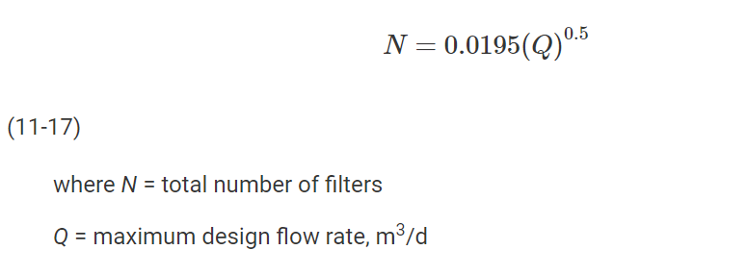
 | 16900 | m3/d

Number of filter | 2.54 |  | (According to equation 11-17 in Davies 2010)
According to Davies 2010, the minimum number of filter for plants with capacity higher than 8000 m3/d is 4 filters.
Therefore, in this case, the number of filters is 4.

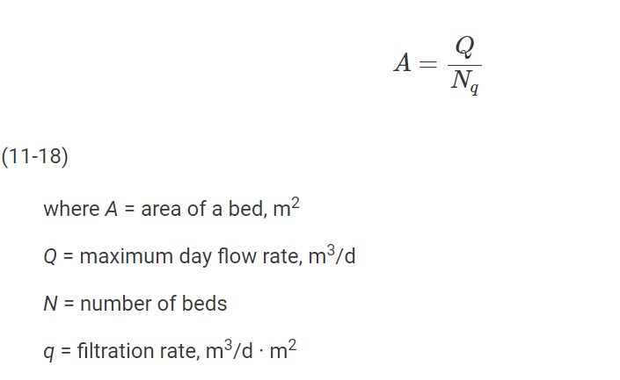
Filtration rate | 7.5 | m/h
 | 150 | m3/(m2.d)
Area of 1 filter | 28.17 | m2/filter | (According to equation 11-18 in Davies 2010)
Assuming that there are two cells in 1 filter, and the total width of the cell is 5 m (each cell will be 2.5 m)
Length of each cell (L) | 5.63 | m | (Suitable because the ratio of L:W is 2.3:1, which is in
 |  |  | range 2:1 to 4:1. (Davies 2010; as cited in Kawamura 2000))
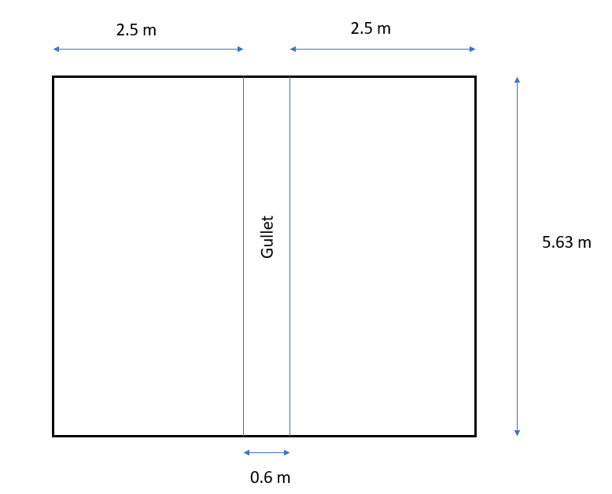

Depth of the cell | 1.2 | m | (0.9m fine sand and 0.3m coarse sand)
Depth of the basin | 3.7 | m | (1.2m sand filter + 2m water level + 0.5m filter support)
Final depth | 4 | m | (According to Davies 2010, the basin depth should be at least 4m to provide space for
V_basin | 112.60 | m3 | underdrain system, media, and headloss)
EBCT | 0.16 | h
 | 9.6 | min

*Calculation for backwashing

Water-air-backwashing |  |  |  | Water backwashing
Time | 10 | min |  | Time | 10 | min
 | 0.17 | h |  |  | 0.17 | h
Air flowrate | 60 | m3/(h*m2-filter) | (Choose from range 50 - 75 m/h) | Water flowrate | 36 | m/h | (Choose from range 36-50 m/h)
 | 1.00 | m3/(min*m2-filter) | (OK. In range of 0.9 - 1.5 m3 Air/(min*m2-filter) | Wash water volume | 6.12 | m3/m2-filter
Water flowrate | 7 | m/h | (Choose from range 7 - 15 m/h)
Backwashing air production | 1690.00 | m3/h
Wash water volume | 1.17 | m3/m2-filter
Total wash water volume | 7.29 | m3/m2-filter
The total wash water volume is reasonable since it meets the requirement of value between the range of 4-8 m3/m2-filter

* Calculation of backwashing water basin
V_backwashing_basin | 50.67 | m3

3.7 GAC filtration
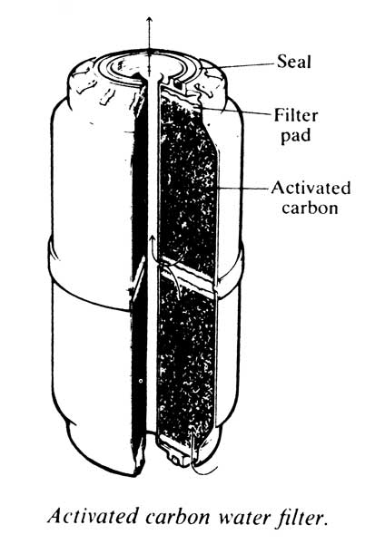
Table 13. Design of GAC filters.
 | Whole plant | Per filter (except number of filters which is per line)
Number of filters | 4 | 2 per line
Flow rate (m3/h) | 733 | 366.5
Empty bed contact time (EBCT, min) | 20 | 20
Filtration rate (m/h) | 9 | 9
Height of bed (m) | 3 | 3
Area of bed (m2) | 81.44 | 20.36
Volume of bed (m3) | 244.33 | 61.08
Dimensions of filter bed, width x length x height (m) |  | 4 x 5.09 x 3

Backwashing water flowrate | 17.5 | m3/h | (Since backwashing water flowrate is usually 1-7% of product flowrate)
Flowrate of dispersion water | 38.5 | m3/h
Flowrate coming to GAC filtration | 366.5 | m3/h | (1 line)
 | 7330 | m3/d
Q_whole_plant | 733 | m3/h
 | 14660 | m3/d
Number of GAC filters (a) | 4 |  | (Same number as sand filters. This is the number of filter for the whole plant)
Number of GAC filters (b) | 2 |  | (Number of GAC filter in 1 line)

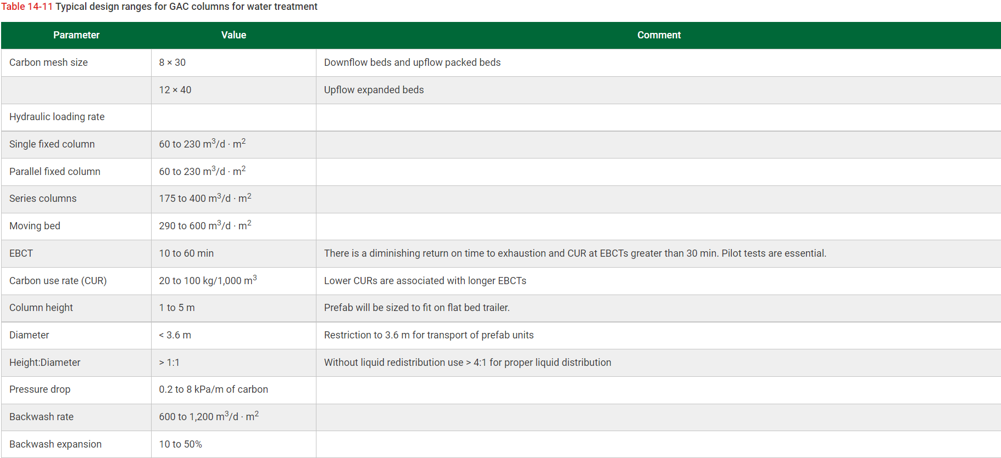
EBCT | 20 | min | (Select from the range of 15-20 min)
 | 0.33 | h
Column height | 3 | m | (From table 14-11 in Davies 2010)
Filtration rate | 9 | m/h | (OK. The filtration rate is in the typical range 7-10 m/h)
 | 180 | m3/(d*m2)
Area of filter | 20.36 | m2
Volume of bed | 61.08 | m3
Diameter | 5.09 | m

Assuming the shape of GAC filter is the same as in sand filtration, and the width of the cell is 4 m. Then, each cell's width will be 2 m
Length | 5.09 | m | (OK. The ratio is 2.5:1, which is in range of L:W from 2:1 to 4:1)

The GAC filter can be in shape of cylinder. Another solution for dimensioning the GAC filter was calculated above with the shape of the filter was cylinder.
The diameter was obtained. However, the calculated diameter did not meet the requirement for standard diameter of GAC filter, which was provided in table 14-11 in Davies 2010.
Therefore, a rectangular basin was considered reasonable in this case.

3.8 UV disinfection
Task: Estimate based on Davis (2010) appendix D-12, what is the reduction of Cryptosporidium and Giardia Lamblia cysts and viruses using intensity of 400 J/m2 (in ideal situation). Calculate results both as log inactivation (log(N/N0)) and removal efficiency (%) [=100%*(N0-N)/N0)]. (see also Davis (2010) Figure 13-7).
Table 14. Removal of Giardia, Cryptosporidium and viruses in UV disinfection
 | log(N/N0) | Removal efficiency (%)
Giardia | 4.692 | 99.998
Cryptosporidium | 4.697 | 99.998
Viruses | 0.518 | 69.641

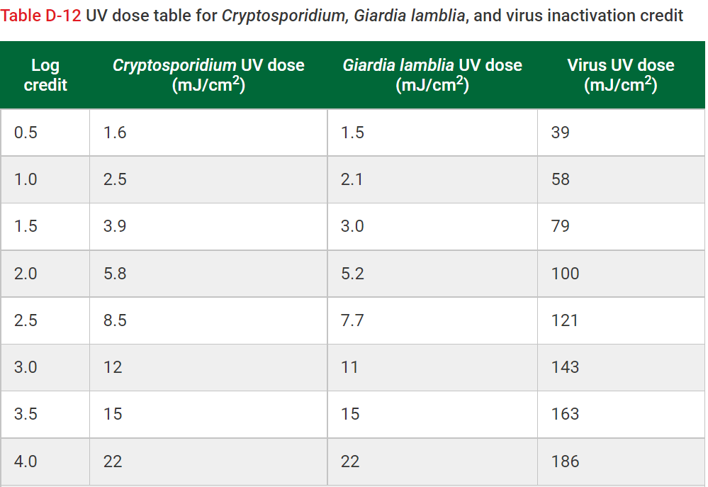
UV intensity | 400 | J/m2
 | 40 | mJ/cm2

Log(N/N0) | N/N0 | Cryptosporidium | Giardia | Viruses
0.5 | 0.31622776602 | 1.6 | 1.5 | 39
1 | 0.1 | 2.5 | 2.1 | 58
1.5 | 0.031622776602 | 3.9 | 3 | 79
2 | 0.01 | 5.8 | 5.2 | 100
2.5 | 0.0031622776602 | 8.5 | 7.7 | 121
3 | 0.001 | 12 | 11 | 143
3.5 | 0.00031622776602 | 15 | 15 | 163
4 | 0.0001 | 22 | 22 | 186

*Calculation of log inactivation

Cryptosporidium | 4.696514003 |  | (From the equation in the graph)
Giardia | 4.6923902344 |  | (From the equation in the graph)
Viruses | 0.51770670263 |  | (From the equation in the graph)

Crypto
* Removal efficiency
Cryptosporidium | 0.999979887 |  | (Equation 13-28 in Davies 2010)
Giardia | 0.99997969468 |  | (Equation 13-28 in Davies 2010)
Viruses | 0.69640592092 |  | (Equation 13-28 in Davies 2010)

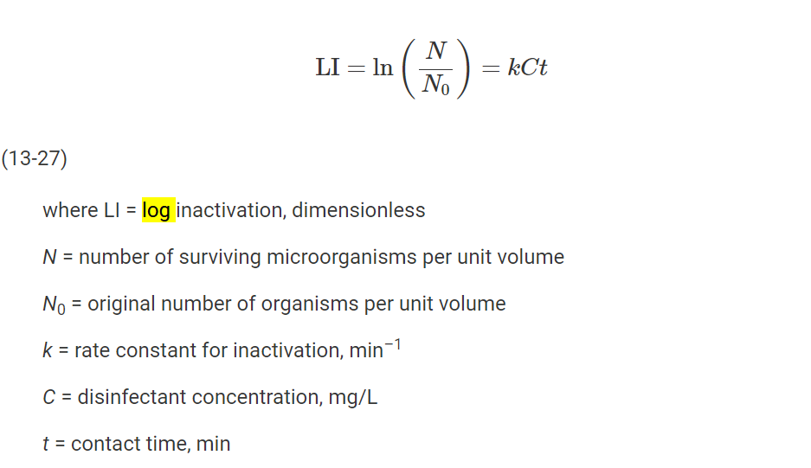

Giardia

Viruses

3.9 Alkalinity, hardness and pH
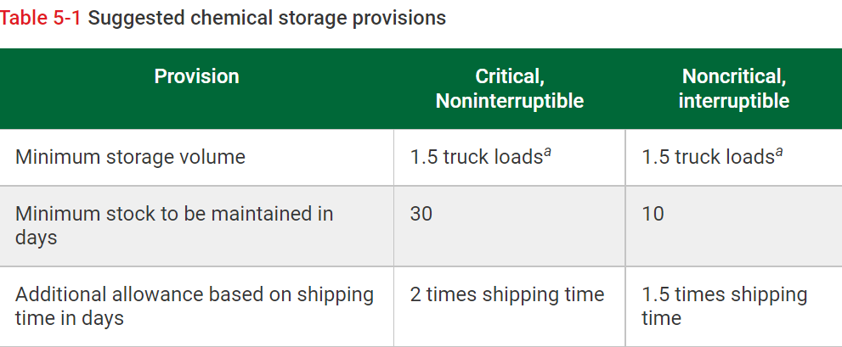
Table 14. Design of stabilization (increase of hardness, alkalinity and pH), the used chemicals and their dosage.
Chemical | Dosage | Chemical consumption when
 |  | qh = 366.5 m3/h | Qd = 7330 m3/d
Carbon dioxide (CO2) | 32.07 g/m3 | 11.76 kg/h | 235.1 kg/d
Calcium hydroxide (Ca(OH)2) | 27 g/m3 | 9.9 kg/h | 197.91 kg/d
Lime water (Ca(OH)2, 1.1 kg/m3) | 24.55 l/m3 | 9 m3/h | 179.92 m3/d

Table 15. Dosage of calcium hydroxide and lime water.
Chemical | Dosage | Chemical consumption,
 |  | qh = 366.5 m3/h | Qd = 7330 m3/d
Calcium hydroxide (Ca(OH)2) | 43.71 g/m3 | 16.33 kg/h | 326.61 kg/d
Lime water (Ca(OH)2, 1.1 kg/m3) | 39.74 L/m3 | 14.85 m3/h | 296.92m3/d

Table 16. Design of lime silo.
 | Whole plant
Volume of lime silo (m3) | 16
Interval of filling lime silo (d) | 20.5

Q | 366.5 | m3/h | (1 line)
 | 7330 | m3/d | (1 line)

* Design of stabilization

Target
pH | > 7.5
Hardness | 28 | mg/L Ca
Alkalinity | 0.0008 | mol/L

Alkalinity of raw water | 0.26 - 0.42 | mmol/L
Water temperature | 5 | oC
M_Ca(OH)2 | 74.096 | g/mol
M_CO2 | 44.01 | g/mol |  |  |  |  |  |  | Ka,1 = [H+][HCO3-]/[H2CO3]
 |  |  |  |  |  |  |  |  | Ka,2 = [H+][CO32-]/[HCO3-]
pH in carbonate system

Equation 1 |  | CO2 | + | H2O | <--> | H2CO3 |  |  |  | 5oC | 10oC | 15oC | 20oC
 |  | H2CO3 | <--> | HCO3- | + | H+ |  |  | pKa, 1 | 6.52 | 6.46 | 6.42 | 6.38
In the beginning |  |  |  |  |  |  |  |  | Ka, 1 | 3.02E-07 | 3.4673685045E-07 | 3.80E-07 | 4.1686938347E-07
n(0) | mol/L | 0.0008 |  | 0 |  | 0
At equillibrium
n(t) | mol/L | n(a) - X |  | X - Y |  | X + Y |  |  | Ka, 1 = (X+Y)(X-Y)/(n(a)-X)

Equation 2 |  | HCO3- | <--> | CO32- | + | H+ |  |  |  | 5oC | 10oC | 15oC | 20oC
In the beginning |  |  |  |  |  |  |  |  | pKa, 2 | 10.56 | 10.49 | 10.43 | 10.38
n(0) | mol/L | 0 |  | 0 |  | 0 |  |  | Ka, 2 | 2.75E-11 | 3.2359365693E-11 | 3.715352291E-11 | 4.1686938347E-11
At equillibrium
n(t) | mol/L | X - Y |  | Y |  | X + Y |  |  | Ka, 2 = (X+Y)*Y/(X-Y)

Since one Ka is very small compared to the other, let's assume that Y << X. Then equation can be simplified:
Ka,1 = X*X/(n(a)-X) => X^2 + Ka,1*X - Ka,1*n(a) = 0
$$X^{2}+(3.02E−07)\left(X\right)−\left(3.02E−07∗0.0008\right)=0$$
X | 1.54E-05 | mol/L | (Using calculator)
Ka,2 = X*Y/Y = Y
Y | 2.75E-11 | mol/L

Addition of Ca(OH)2 to the solution
Ca(OH)2 | + | 2 CO2 | <--> | Ca2+ | + | 2 HCO3- | + | 2 H+

Hendersson-Hasselbach equation pH = pKa,1 + log([A-]/[HA])

If Ca(OH)2 is added | Ca(OH)2 |  | CO2 |  |  | pH
(g/m3) | (g/L) | mol/L | mol/L | [A-]/[HA] | log([A-]/[HA])
6 | 0.006 | 8.0976031095E-05 | 0.00016 | 0.25382428591 | -0.59546682696 | 5.924533173
8 | 0.008 | 0.00010796804146 | 0.00022 | 0.36971310263 | -0.43213515776 | 6.0878648422
10 | 0.01 | 0.00013496005182 | 0.00027 | 0.50920645266 | -0.2931061016 | 6.2268938984
12 | 0.012 | 0.00016195206219 | 0.00032 | 0.68033381713 | -0.16727794117 | 6.3527220588
14 | 0.014 | 0.00018894407255 | 0.00038 | 0.89523224882 | -0.04806428167 | 6.4719357183
16 | 0.016 | 0.00021593608292 | 0.00043 | 1.1731581417 | 0.069356558958 | 6.589356559
18 | 0.018 | 0.00024292809328 | 0.00049 | 1.5466043442 | 0.18937922573 | 6.7093792257
20 | 0.02 | 0.00026992010365 | 0.00054 | 2.0750332005 | 0.31702504982 | 6.8370250498
22 | 0.022 | 0.00029691211401 | 0.00059 | 2.8801843318 | 0.4594202835 | 6.9794202835
24 | 0.024 | 0.00032390412438 | 0.00065 | 4.2565266742 | 0.62905535932 | 7.1490553593
25 | 0.025 | 0.00033740012956 | 0.00067 | 5.3897895826 | 0.73157181066 | 7.2515718107
26 | 0.026 | 0.00035089613474 | 0.00070 | 7.145998241 | 0.85406290496 | 7.374062905
27 | 0.027 | 0.00036439213993 | 0.00073 | 10.233474833 | 1.0100231259 | 7.5300231259

Dosage CO2 | 0.032 | g/L
 | 32.07 | g/m3
CO2 consumption in hour | 11755.05 | g/h
 | 11.76 | kg/h
CO2 consumption per day | 235.10 | kg/d
 |  |  |  | * Total dose of Ca(OH)2 and lime water
Dosage Ca(OH)2 | 27 | g/m3 |  | Dosage Ca(OH)2 total |  | 43.71 | g/m3
Ca(OH)2 consumption in hour | 9895.5 | g/h |  | Total Ca(OH)2 consumption in h |  | 16.33 | kg/h
 | 9.90 | kg/h |  | Total Ca(OH)2 consumption per day |  | 326.61 | kg/d
Ca(OH)2 consumption per day | 197.91 | kg/d
 |  |  |  | Dosage lime water total |  | 39.74 | L/m3
Dosage limewater | 24.55 | L/m3 |  | Total lime water consumption in h |  | 14.85 | m3/h
Lime water consumtion in hour | 9.00 | m3/h |  | Total lime water consumption per day |  | 296.92 | m3/d
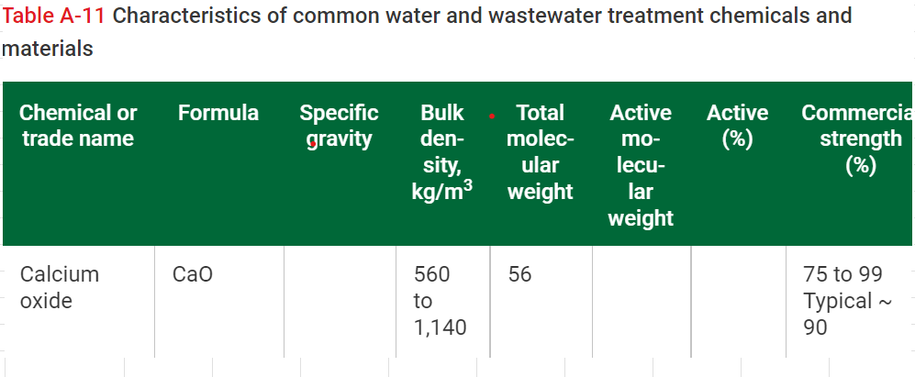
Lime water consumtion per day | 179.92 | m3/d

* Design of lime silo
Transport time | 7 | days
Bulk density | 500 | kg/m3 | (Selection from the instruction range 400-600 kg/m3)
Purity of lime | 0.87 |  | (The average value of purity from table A-11 in Davies 2010)
Volume expansion | 1.50
Daily consumption of slaked slime | 375.41 | kg/d
Mass storage | 7695.91 | kg | (In table 5-1 (Davies 2010), an interuptible chemical should have 10-day supply plus 1.5 times the shipping time of 1 week)
Volume of silo | 15.39 | m3
 | 16 | m3 | (Rounding up)
Interval of filling lime silo | 20.5 | days | (In table 5-1 (Davies 2010), an interuptible chemical should have 10-day supply plus 1.5 times the shipping time of 1 week)

3.12 Sampling
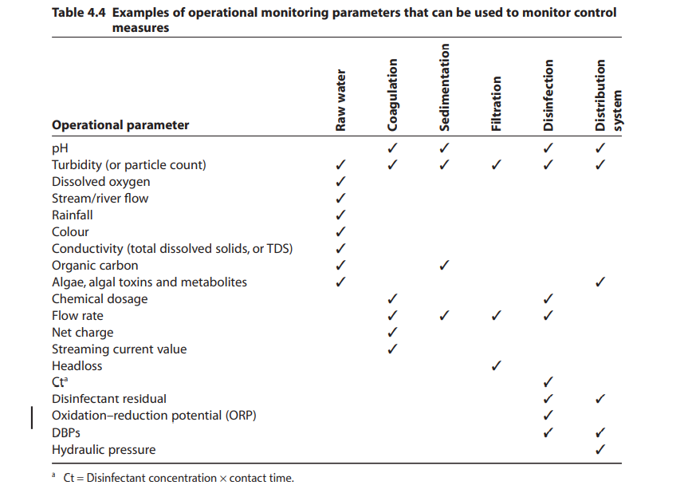
According to water safety plan from WHO, guildline for drinking-water | Table 4.4. Analyzing parameters for operational control (Water Safety Plan, WHO)
treatment and supply, to ensure the quality of product water and control
the operation of the process, sampling must be taken to verify the
chemical, physical and biological quality of the water running through the process.
Normally, sampling at the treatment plant and at the head of the distribution system
is enough for constituents that do not change during delivery. However, depend on
the water quality characteristic that can change during distribution, sampling must be taken
in the points near the extremities of the distribution system and tap connected directly
to household or buildings.

Considering the sampling at treatment plan to control the treatment process,
sampling points are:
_ Raw water source or storage
_ Coalgulation (during and/or output of the unit process)
_ Floculation (during and/or output of the unit process)
_Flotation (during and/or output of the unit process)
_Filtration (during and/or output of the unit process)
_Disinfection (during and/or output of the unit process)
_Water distribution system
To follow the product water quality, sampling are taken at the head of water distribution
system. The analyses to be conducted and monitering parameters for sampling are showed
in the table 4.4 in detail. The common analyses are pH, turbidity, organic carbon, flow rate,...
Reference: Water Safety Plan. WHO

